Sheet1
Risk ID | Description | Cause | Consequence | Likelihood | Severity | Impact | Treatment | New Likelihood | New Severity | New Impact
R1 | Loss of communication SolidWorks - CSV | File renamed or saved in wrong location | Automation between SolidWorks and MMS fails | 3 | 2 | IV | Fix path & naming convention | 2 | 1 | V
R2 | Loss of communication MSOSA - CSV | File moved or not updated | Parametric test cannot access updated model | 3 | 2 | IV | Defined file location and CI checks | 2 | 1 | V
R3 | Git sync fails | Expired or missing authentication | Model or script changes not shared | 2 | 2 | V | Secure storage of credentials | 1 | 2 | V
R4 | UI does not update | Power Automate fails | Model changes not visible to stakeholders | 2 | 2 | V | Manual verification before demo | 1 | 1 | V
R5 | Incorrect requirements linkage | Human error in mapping | Simulation validates wrong parameter | 2 | 3 | IV | Peer review all mappings | 1 | 2 | V
R6 | MATLAB script failure | Syntax error, version mismatch | Parametric tests do not execute | 2 | 3 | IV | Test scripts in advance | 1 | 2 | V
R7 | Model file corruption | Crash during save | Total loss of traceability | 1 | 5 | I | Frequent commits to Git | 1 | 2 | V
R8 | Inconsistent naming of components | No enforced naming convention | Wrong configuration simulated | 3 | 3 | III | Define standard naming scheme | 2 | 2 | IV
R9 | UI misrepresentation of MMS | Parsing error | Demo shows incorrect status | 2 | 2 | V | Manual sanity check of dashboard | 1 | 2 | V
R10 | Version mismatch during integration | Unsynchronised script / model versions | Final demo fails | 3 | 3 | III | Full system test 1 day before | 1 | 2 | IV
R11 | Unmet stakeholder expectations | Misalignment with chief engineer vision | Project receives low marks or low adoption | 2 | 4 | II | Confirm midweek expectations | 1 | 2 | IV
R12 | Team task imbalance | No ownership clarity | Bottlenecks or idle capacity | 3 | 2 | IV | Assign clear roles daily | 2 | 1 | V
R13 | Final integration overrun | Underestimated effort | Missed demo readiness | 3 | 4 | II | Hold freeze 24 hours before deadline | 2 | 2 | IV
R14 | Hidden model error | Incomplete validation | Undetected verification issue | 2 | 5 | I | Full dry run and peer walkthrough | 1 | 2 | IV
R15 | Key dependency on one person | Unshared work | Progress blocked if person unavailable | 2 | 4 | II | Shared walkthroughs and docs | 1 | 2 | IV

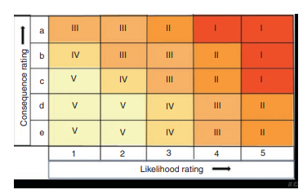
ISO 31010

